CoG
Mass Height center determination (Vertical mass centre height)

H $=R−\frac{{(a}_{1^{}}F_{z^{1}})−{(a}_{2^{}}F_{z^{2}})}{0.5 m g}\cot{θ}$
H $=R+\left[a_{2^{}}− \frac{2 F_{z^{1}} l}{ m g}\right]\cot{θ}$
 |  |  | (oder)

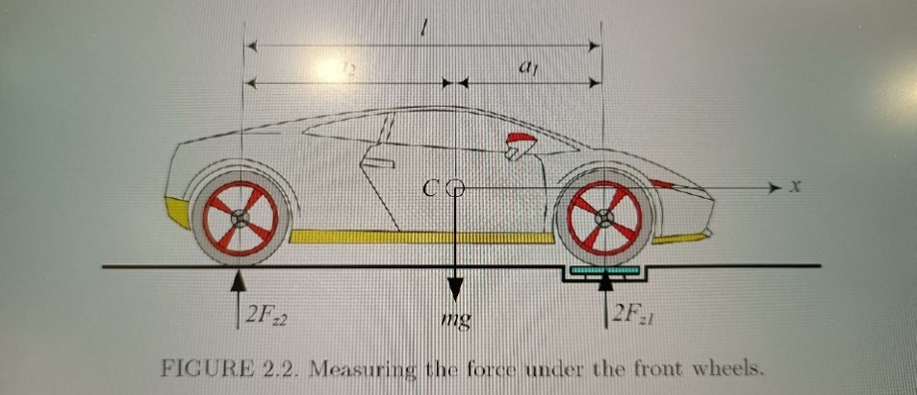

 | Given:

Total Weight "m" (Kg) |  | 300.5
Radius of tire "R" (m) |  | 0.468
Wheel base length "l" (m) |  | 2.5

 | Finding weight forces on each axles seperately:

 | Mass in front axle (kg) |  | 77.5 | (Determined by weight machine manually)
 | Mass in rear axle (kg) |  | 73 | (Determined by weight machine manually)

 | Weight force in front axle "2Fz1" (N) |  | 1519
 | Weight force in rear axle "2Fz2" (N) |  | 1430.8

Determining Horizontal mass centre:
 |  |  | 72
$$a_{1^{}}=\frac{2l}{mg}F_{z^{2}}$$
$$a_{2^{}}=\frac{2l}{mg}F_{z^{1}}$$
 |  | and

 | Length from centre to Front axle "a1" (m) |  | 1.2146422629
 | Length from centre to Rear axle "a2" (m) |  | 1.2895174709

Determining Vertical Mass centre:

H $=R−\frac{{(a}_{1^{}}F_{z^{1}})−{(a}_{2^{}}F_{z^{2}})}{0.5 m g}\cot{θ}$
H $=R+\left[a_{2^{}}− \frac{2 F_{z^{1}} l}{ m g}\right]\cot{θ}$
 |  |  | or

 | Height of front axle to the ground "h" (m) |  |  | 0.18 | (Determined manually with Measuring Tape)
 | Angle of Inclined car to the ground "ө" (in degrees) |  |  | 0.072062353568

 | Vertical Height of Mass centre "H" (m) |  |  | 0.468 | (Calculated using first formula)
 | Vertical Height of Mass centre "H" (m) |  |  | 0.468 | (Calculated using second formula)

Sheet2
Reaction force of accelerating car

$$F_{A^{z}}$$
$$F_{B^{z}}$$
$$I_{1^{}}α_{x^{}}$$
$$×$$
$$F_{C^{z}}$$
$$I_{2^{}}α_{y^{}}$$
$$I_{3^{}}α_{z^{}}$$
$$F_{D^{z}}$$
 | (b2-h)μx | (b1-h)μx | (b2-h)μx | (b2-h)μx
 | (h-a2)μy | (h-a1)μy | (h-a2)μy | (h-b2)μy |  |  | =
 | a2-b2 | a1-b1 | a2-b2 | a2-b2
 | 1 | 1 | 1 | 1 |  |  |  | ma

 | Given:

 | Length from centre to Front axle "a1" (m) |  |  |  | = | 1.289
 | Length from centre to Rear axle "a2" (m) |  |  |  | = | 1.214
 | Horizontal Length from centre to right "b1" (m) |  |  |  |  | 1.250
 | Horizontal Length from centre to left "b2" (m) |  |  |  |  | 1.250
 | Mass Height centre "h" (m) |  |  |  | = | 0.468
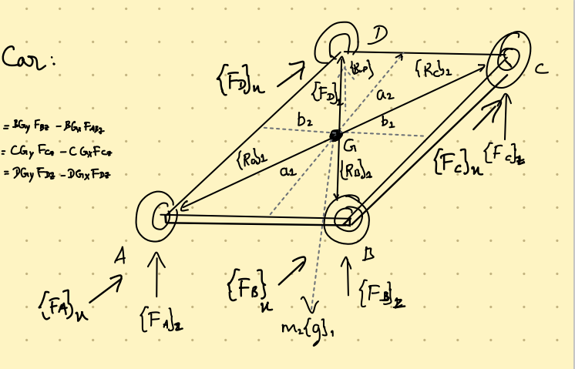
 | Mass of the car "m" (kg) |  |  |  | = | 300.5 | (Including the person weight)
 | Longitudinal Friction coefficient "μx" |  |  |  | = | 1
 | acceleration due to gravity "g" (m/s2) |  |  |  | = | 9.8
 | Lateral Friction coefficient "μy" |  |  |  |  | 2.7

 | acceleration of the vehicle "a" (m/s2) |  |  |  | = | 5
 | Centripetal acceleration "az" (m/s2) |  |  |  | = | 5

$$×$$
 | 0.7820 | 0.7820 | 0.7820 | 0.7820 |  | a |  | 15
 | -1.9925 | -2.1928 | -1.9925 | -2.0887 |  | b | = | 15
 | 0.7460 | 0.0390 | -0.0360 | -0.0360 |  | c |  | 15
 | 1.0000 | 1.0000 | 1.0000 | 1.0000 |  | d |  | 2944.9

 | System of equations:

 | Equation 1 |  | -6634458786100790.00 | 0.11 | 1.28 | 5188146770730838.00
 | Equation 2 |  | 69175290276411200.00 | -1.15 | 0.00 | -54095076996153560.00
 | Equation 3 |  | 81574356585545470.00 | 9.04 | -1.28 | -63791146849896530.00
 | Equation 4 |  | -144115188075855870.00 | -8.00 | 0.00 | 112698077075319260.00

